INSTRUCTIONS
Workbook ID: | DSS-0009-01
Student First Name:
Student Surname:
Student ID:
This is the assignment workbook for Assignment 3, this workbook contains the following worksheets: -
1 - Infrastructure Status Log
2 - Penetration Test Remediation Log
3 - Test Plan
4 - Test Log
5 - Equipment List (used with the network diagram supplied)
Notes on Pen Test Remediation Log Completion
The log is used to track any actions required following a Penetration Test.
1. Note that rows 1-9 contain the summary information automatically calculated by the values entered in row 12 onwards
2. Cells A2 to A8 use a drop down list, adding or changing values to Lookup > Cell B3 onwards will make those values immediately available in the drop down field
3. Cells B2 to B9 use formulae to count the actions against the Assigned To value
4. The table in cells C1 to D7 uses formulae to summarise the numkber of CVSS issues found
5. Enter the details from the Pen Test report into the table beginning in cell A12 and the 2 tables references above will aoutomatically count up a summary
6. The sheet contains example data that should be removed before completing with your data

3 - Test Plan
Test Plan
Please use the table below to enter the Area Name for the tests you have identified as necessary (Please replace the areas to be tested listed with yours): -
Pease update the Test Log with the areas identified ready for test execution

ID | Area Name | Notes
1 | Event Logs Checked | This will highlight and critical issues
2 | Windows boots correctly | Ensure that OS is loading correctly
3 | Log in with Domain Password | This will show if device is connected to and logging into the domain
4 | All Office Applications open correctly | This will highlight common user issues
5 | Check drivers installed in Device Manager | Will show if any drivers are out of date or missing which could cause a security issue
6 | Windows Updates up to date | Ensure that critical updates are not missing

4 - Test Log
Device Name | Event Logs Checked | Windows boots correctly | Log in with Domain Password | All Office Applications open correctly | Check drivers installed in Device Manager | Windows Updates up to date | Proof of failed tests | Actions to be taken.
WS001 | Pass | Pass | Pass | Pass | Fail | Fail | 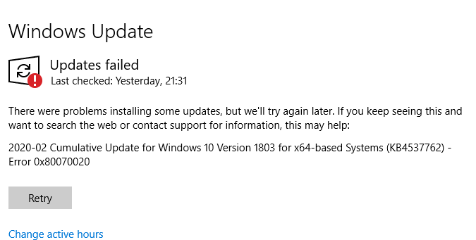 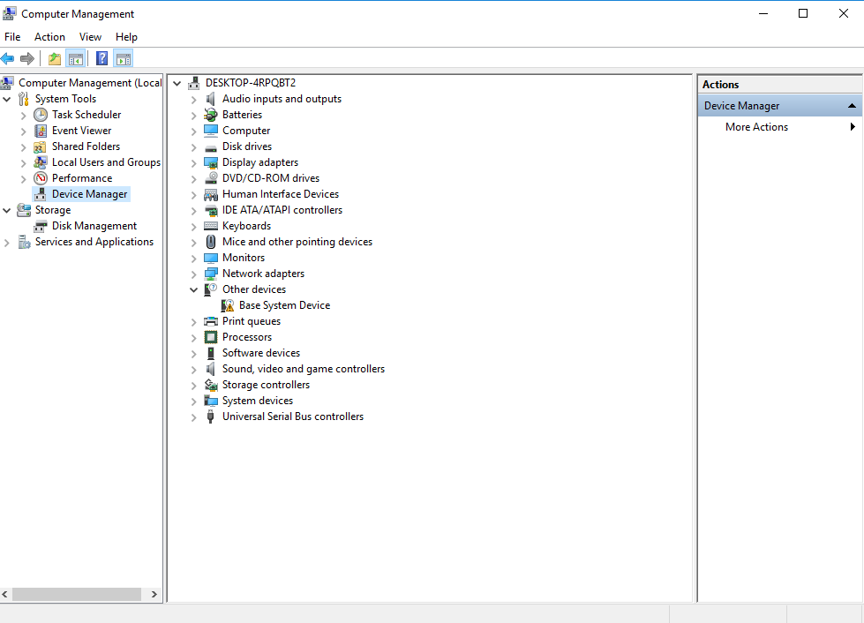 | Driver updates will be required for the device that has no driver detected. A full Windows update will be required to ensure that Windows is brought fully up to date.
WS002 | Pass | Pass | Pass | Pass | Fail | Fail
WS003 | Pass | Pass | Pass | Pass | Fail | Fail
WS004 | Pass | Pass | Pass | Pass | Fail | Fail
WS005 | Pass | Pass | Pass | Pass | Fail | Fail
WS006 | Pass | Pass | Pass | Pass | Fail | Fail
WS007 | Pass | Pass | Pass | Pass | Fail | Fail
WS008 | Pass | Pass | Pass | Pass | Fail | Fail
WS009 | Pass | Pass | Pass | Pass | Fail | Fail
WS010 | Pass | Pass | Pass | Pass | Fail | Fail
WS011 | Pass | Pass | Pass | Pass | Fail | Fail
WS012 | Pass | Pass | Pass | Pass | Fail | Fail
WS013 | Pass | Pass | Pass | Pass | Fail | Fail
WS014 | Pass | Pass | Pass | Pass | Fail | Fail
WS015 | Pass | Pass | Pass | Pass | Fail | Fail
WS016 | Pass | Pass | Pass | Pass | Fail | Fail
WS017 | Pass | Pass | Pass | Pass | Fail | Fail
WS018 | Pass | Pass | Pass | Pass | Fail | Fail
WS019 | Pass | Pass | Pass | Pass | Fail | Fail
WS020 | Pass | Pass | Pass | Pass | Fail | Fail
WS021 | Pass | Pass | Pass | Pass | Fail | Fail
WS022 | Pass | Pass | Pass | Pass | Fail | Fail
WS023 | Pass | Pass | Pass | Pass | Fail | Fail
WS024 | Pass | Pass | Pass | Pass | Fail | Fail
WS025 | Pass | Pass | Pass | Pass | Fail | Fail
WS026 | Pass | Pass | Pass | Pass | Fail | Fail
WS027 | Pass | Pass | Pass | Pass | Fail | Fail
WS028 | Pass | Pass | Pass | Pass | Fail | Fail
WS029 | Pass | Pass | Pass | Pass | Fail | Fail
WS030 | Pass | Pass | Pass | Pass | Fail | Fail
WS031 | Pass | Pass | Pass | Pass | Fail | Fail
WS032 | Pass | Pass | Pass | Pass | Fail | Fail
WS033 | Pass | Pass | Pass | Pass | Fail | Fail
WS034 | Pass | Pass | Pass | Pass | Fail | Fail
WS035 | Pass | Pass | Pass | Pass | Fail | Fail
WS036 | Pass | Pass | Pass | Pass | Fail | Fail
WS037 | Pass | Pass | Pass | Pass | Fail | Fail
WS038 | Pass | Pass | Pass | Pass | Fail | Fail
WS039 | Pass | Pass | Pass | Pass | Fail | Fail
WS040 | Pass | Pass | Pass | Pass | Fail | Fail
WS041 | Pass | Pass | Pass | Pass | Fail | Fail
WS042 | Pass | Pass | Pass | Pass | Fail | Fail
WS043 | Pass | Pass | Pass | Pass | Fail | Fail
WS044 | Pass | Pass | Pass | Pass | Fail | Fail
WS045 | Pass | Pass | Pass | Pass | Fail | Fail
WS046 | Pass | Pass | Pass | Pass | Fail | Fail
WS047 | Pass | Pass | Pass | Pass | Fail | Fail
WS048 | Pass | Pass | Pass | Pass | Fail | Fail
WS049 | Pass | Pass | Pass | Pass | Fail | Fail
WS050 | Pass | Pass | Pass | Pass | Fail | Fail
WS051 | Pass | Pass | Pass | Pass | Fail | Fail
WS052 | Pass | Pass | Pass | Pass | Fail | Fail
WS053 | Pass | Pass | Pass | Pass | Fail | Fail
WS054 | Pass | Pass | Pass | Pass | Fail | Fail
WS055 | Pass | Pass | Pass | Pass | Fail | Fail
WS056 | Pass | Pass | Pass | Pass | Fail | Fail
WS057 | Pass | Pass | Pass | Pass | Fail | Fail
WS058 | Pass | Pass | Pass | Pass | Fail | Fail
WS059 | Pass | Pass | Pass | Pass | Fail | Fail
WS060 | Pass | Pass | Pass | Pass | Fail | Fail
WS061 | Pass | Pass | Pass | Pass | Fail | Fail
WS062 | Pass | Pass | Pass | Pass | Fail | Fail
WS063 | Pass | Pass | Pass | Pass | Fail | Fail
WS064 | Pass | Pass | Pass | Pass | Fail | Fail
WS065 | Pass | Pass | Pass | Pass | Fail | Fail
WS066 | Pass | Pass | Pass | Pass | Fail | Fail
WS067 | Pass | Pass | Pass | Pass | Fail | Fail
WS068 | Pass | Pass | Pass | Pass | Fail | Fail
WS069 | Pass | Pass | Pass | Pass | Fail | Fail
WS070 | Pass | Pass | Pass | Pass | Fail | Fail
WS071 | Pass | Pass | Pass | Pass | Fail | Fail
WS072 | Pass | Pass | Pass | Pass | Fail | Fail
WS073 | Pass | Pass | Pass | Pass | Fail | Fail
WS074 | Pass | Pass | Pass | Pass | Fail | Fail
WS075 | Pass | Pass | Pass | Pass | Fail | Fail
WS076 | Pass | Pass | Pass | Pass | Fail | Fail
WS077 | Pass | Pass | Pass | Pass | Fail | Fail
WS078 | Pass | Pass | Pass | Pass | Fail | Fail
WS079 | Pass | Pass | Pass | Pass | Fail | Fail
WS080 | Pass | Pass | Pass | Pass | Fail | Fail
WS081 | Pass | Pass | Pass | Pass | Fail | Fail
WS082 | Pass | Pass | Pass | Pass | Fail | Fail
WS083 | Pass | Pass | Pass | Pass | Fail | Fail
WS084 | Pass | Pass | Pass | Pass | Fail | Fail
WS085 | Pass | Pass | Pass | Pass | Fail | Fail
WS086 | Pass | Pass | Pass | Pass | Fail | Fail
WS087 | Pass | Pass | Pass | Pass | Fail | Fail
WS088 | Pass | Pass | Pass | Pass | Fail | Fail
WS089 | Pass | Pass | Pass | Pass | Fail | Fail
WS090 | Pass | Pass | Pass | Pass | Fail | Fail
WS091 | Pass | Pass | Pass | Pass | Fail | Fail
WS092 | Pass | Pass | Pass | Pass | Fail | Fail
WS093 | Pass | Pass | Pass | Pass | Fail | Fail
WS094 | Pass | Pass | Pass | Pass | Fail | Fail
WS095 | Pass | Pass | Pass | Pass | Fail | Fail
WS096 | Pass | Pass | Pass | Pass | Fail | Fail
WS097 | Pass | Pass | Pass | Pass | Fail | Fail
WS098 | Pass | Pass | Pass | Pass | Fail | Fail
WS099 | Pass | Pass | Pass | Pass | Fail | Fail
WS100 | Pass | Pass | Pass | Pass | Fail | Fail
SRV09 | Pass | Pass | Pass | Pass | Pass | Fail |  | A full Windows Update will be required to bring these machines up to date.
App1 | Pass | Pass | Pass | Pass | Pass | Fail
App2 | Pass | Pass | Pass | Pass | Pass | Fail
DB1 | Pass | Pass | Pass | Pass | Pass | Fail
DB2 | Pass | Pass | Pass | Pass | Pass | Fail

